on_street_name
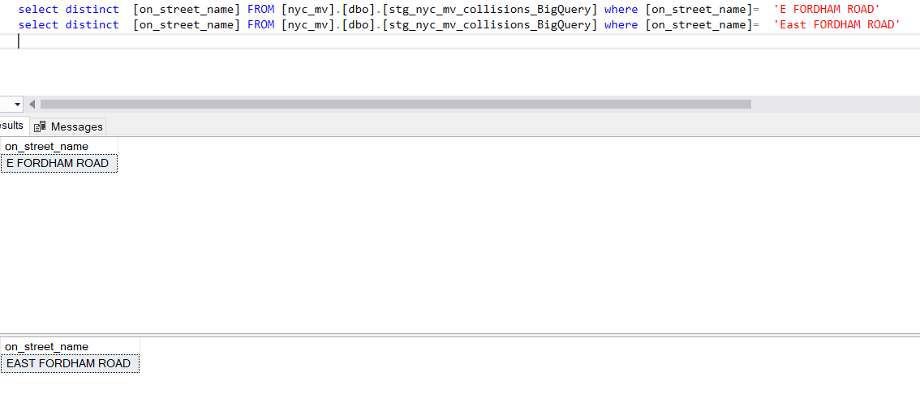
on_street_name
Current Value | Replcaement Value
Dyckman Ave |  | Generalisation
dyckman st | DYCKMAN STREET | Current Value | Replace Value
DYCKMAN STREET | DYCKMAN STREET | E | EAST
PLAZA ST EAST | PLAZA STREET EAST | W | WEST
PLAZA ST WEST | PLAZA STREET WEST | ST | STREET
PLAZA STREET EAST |  | th | Blank value
PLAZA STREET WEST |  | rd | Blank value
MARGINAL ST WEST | MARGINAL STREET WEST
MARGINAL STREET WEST
LAKE VIEW BLVD EAST
LAKEVIEW BOULEVARD EAST
MOUNT MORRIS PARK WEST
MT MORRIS PARK WEST
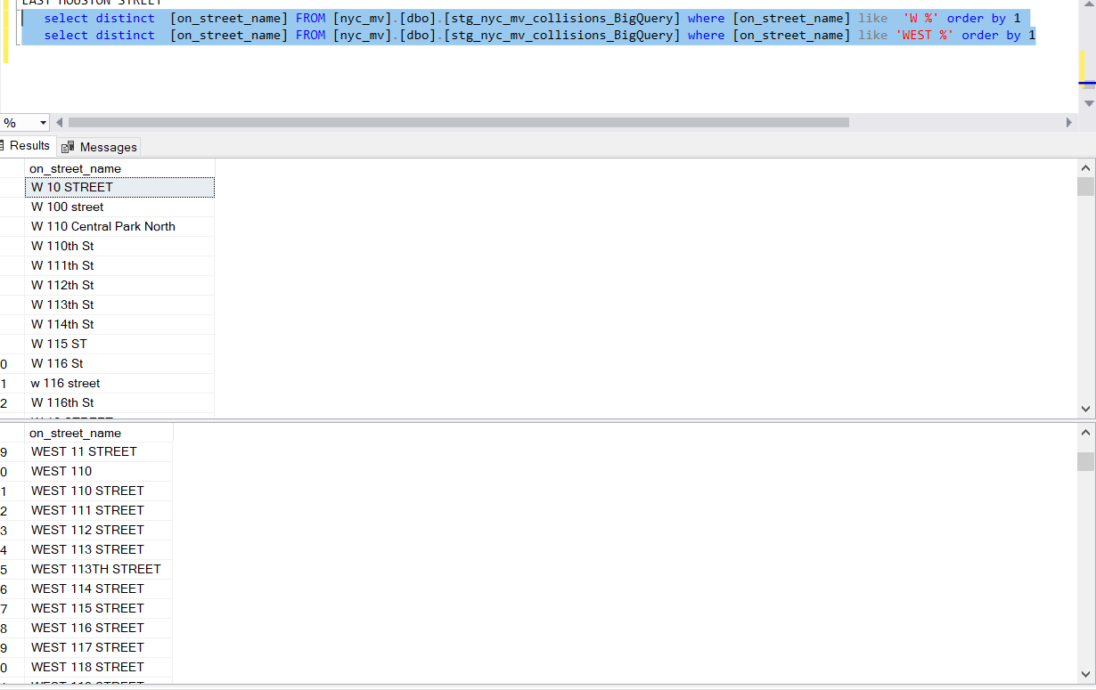
PROSPECT PARK south WEST
PROSPECT PARK SOUTHWEST
RESERVIOR OVAL EAST
RESERVIOR OVAL WEST
RESERVOIR OVAL EAST
RESERVOIR OVAL WEST
Thomas Boyland st
Thomas S Boyland St
thomas s. boyland st
VAN CORTLANDT AVENUE EAST
VAN CORTLANDT AVENUE WEST
VAN CORTLANDT PARK EAST
VANCORTLANDT AVENUE EAST
VANCORTLANDT AVENUE WEST
VANCORTLANDT PARK EAST
VANCORTLANDT PARK WEST
W 31 ST
W 31st St
W 34 ST
W 34th St
W 57 ST
W 57th St
west 47 st
West 47th St
WILLIAMSBURG ST EAST
WILLIAMSBURG ST WEST
WILLIAMSBURG STREET EAST
WILLIAMSBURG STREET WEST
WILLIAMSBURGH ST WEST
10 STREET
10th street
11 STREET
111 STREET
111th Street
116 STREET
116th street
111 STREET
111th Street
116 STREET
116th street
125 STREET
125th street
149 STREET
149TH STREET
14STREET
14 STREET
149 STREET
149TH STREET
192 STREET
192ND STREET
203 STREET
203RD STREET
208 STREET
208th street
214 STREET
214TH STREET
222 STREET
222nd street
227 STREET
227th street
233 STREET
233rd street
237 STREET
237th street
240 STREET
240th street
29 STREET
29STREET
31 STREET
31street
35 STREET
35th street
36 STREET
36TH STREET
37 STREET
37TH STREET
38 STREET
38th street
39 STREET
39th street
40 STREET
40th street
41 STREET
41st street
42 STREET
42ND STREET
42street
42th street
44 STREET
44th street
45 STREET
45th street
46 STREET
46TH STREET
47 STREET
47TH STREET
48 STREET
48TH STREET
50 STREET
50 TH STREET
50th street
52 STREET
52nd street
53 STREET
53rd Street
54 STREET
54th street
55 STREET
55th street
56 STREET
56th street
57 STREET
57street
57TH STREET
58 STREET
58th street
59 STREET
59th street
60 street
60 STREET
60th street
61 STREET
61ST STREET
63 STREET
63RD Street
64 STREET
64th street
66 STREET
66TH Street
67 STREET
67th street
70 STREET
70street
70th street
75 STREET
75th Street
78 street
78 STREET
79 STREET
79 th street
8 STREET
8th STREET
90 STREET
90street
92 STREET
92nd STREET
97 STREET
97th Street
ABBOT STREET
ABBOTT STREET
ALLEN STREET
ALLENDALE STREET
ALTAMONT STREET
ALTAMOUNT STREET
Anthony j Griffen street
ANTHONY STREET
ASH STREET
ASHFORD STREET
BANK STREET
BANKER STREET
BAY 25 STREET
BAY 25th STREET
Beach 201 street
BEACH 210 STREET
BEADEL STREET
Beadle Street
BEAR STREET
BEARD STREET
BELMONT STREET
BERGAN STREET
BERGEN STREET
BLEECKER STREET
BLEEKER STREET
BOWDEN STREET
BOWDOIN STREET
BOWEN STREET
BOYLAN STREET
BOYLAND STREET
BRIDGE STREET
BRIDGETON STREET
BRIDGETOWN STREET
BRIGHTON 8 STREET
brighton 8 th street
BRIGHAM STREET
BRIGHTON STREET
CENTER STREET
CENTERVILLE STREET
CENTRE STREET
CENTREVILLE STREET
CLARA STREET
CLARK STREET
CLIFF STREET
CLIFTON STREET
CLINTON STREET
CLINTONVILLE STREET
CLINTOVILLE STREET
COHANCEY STREET
COHANCY STREET

COLON STREET
COLTON STREET
COMMERCE STREET
COMMERCIAL STREET
CONNER STREET
CONNOR STREET
COOK STREET
COOKE STREET
corneila street
CORNELIA STREET
CORNELL STREET
CORP KENNEDY STREET
CORPORAL KENNEDY STREET
CORTLAND STREET
CORTLANDT STREET
CRESCENT STREET
cresent street
CUMMING STREET
CUMMINGS STREET
CYPRESS HILL STREET
CYPRESS HILLS STREET
DANIEL STREET
DANIELS STREET
DAVID STREET
DAVIDSON STREET
DAVIS STREET
DELANCEY STREET
DELANCY STREET
DENIS STREET
DENNIS STREET
DOSCHER STREET
DOSHER STREET
DOUGLAS STREET
DOUGLASS STREET
DOYER STREET
DOYERS STREET
E 45 STREET
E 45TH STREET
E HOUSTON STREET
E. Houston street
easr 170 street
EAST 125 STREET
EAST 125TH STREET
EAST 13 STREET
EAST 13TH STREET
EAST 14 STREET
EAST 153 STREET
EAST 153rd STREET
east 17street
EAST 212 STREET
East 212nd street
EAST 43 STREET
EAST 43RD STREET
East 43rd Street
EAST 53 STREET
EAST 53TH STREET
EAST 79 STREET
EAST 79TH STREET
EAST 95 STREET
EAST 95TH STREET
east sixth street
eat 57 street
EBBITS STREET
EBBITTS STREET
ECFORD STREET
ECKFORD STREET
esat 77 street
est 42 street
EVERIT STREET
EVERITT STREET
FARADAY STREET
FARRADAY STREET
forbel street
FORBELL STREET
FOREST STREET
FORREST STREET
FORSYTH STREET
FORSYTHE STREET
GARNET STREET
GARRETT STREET
GILLMORE STREET
GILMORE STREET
GLEN STREET
GLENN STREET
GREEN STREET
GREENE STREET
HARMAN STREET
HARMON STREET
HOME LAWN STREET
HOMELAWN STREET
HOMER STREET
HUMPHREY STREET
HUMPHREYS STREET
JEWEL STREET
JEWELL STREET
KENMARE STREET
KENMORE STREET
KOSCIUSKO STREET
KOSCIUSZKO STREET
MAC DONOUGH STREET
MAC DOUGAL STREET
MACDONOUGH STREET
MACDOUGAL STREET
Mc Donough Street
MANHATTAN STREET
MANHATTEN STREET
MC KENNY STREET
MC KIBBIN STREET
MCBRIDE STREET
MCCLELLAN STREET
MCDONALD STREET
MCDONOUGH STREET
MCINTOSH STREET
MCKENNY STREET
MCKIBBEN STREET
MCKIBBIN STREET
MCLAUGHLIN STREET
MERRY MOUNT STREET
MERRYMOUNT STREET
NEW BURG STREET
NEWBURG STREET
NORTH 4 STREET
north 4th street
NORTH 5 STREET
North 5th street
NORTH 6 STREET
north 6th street
Palmeto street
PALMETTO STREET
QUEEN STREET
QUEENS STREET
RICARD STREET
RICHARD STREET
RICHARDS STREET
SAINT MARY STREET
SAINT MARY'S STREET
SAINT MARYS STREET
SAND STREET
SANDS STREET
SCHAEFER STREET
SCHAEFFER STREET
SEIGAL STREET
SEIGEL STREET
SOUTH 5 STREET
south 5th street
ST EDWARDS STREET
ST FELIX STREET
ST MARY'S STREET
ST MARYS STREET
ST OUEN STREET
St. Nicholas street
TEN EYCK STREET
TENEYCK STREET
TENTH STREET
THIRD STREET
thomas s boyland street
Thomas Borland street
THOMAS BOTLAND STREET
THOMAS BOYLAND STREET
THOMAS S BOYLAND STREET
THOMAS S. BOYLAND STREET
TYRELL STREET
TYRRELL STREET
VAN DAM STREET
van damn street
VAN SICKLEN STREET
VAN SICLEN STREET
VANDERVEER STREET
VANDEVEER STREET
VANERVEER STREET
wes 145 street
WES 77 STREET
wesr 63 street
WEST 125 STREET
WEST 125TH STREET
WEST 133 STREET
WEST 133RD STREET
WEST 151 STREET
west 151street
WEST 238 STREET
WEST 238th StREET
west 3rd street
WEST 52 STREET
west 52nd street
WEST 54 STREET
west 54th street
WEST 58 STREET
West 58th Street
WEST 59 STREET
WEST 59TH STREET
WEST 6TH STREET
WEST 79 STREET
west 79th street
WEST 8 STREET
west 8th street
WEST 9 STREET
WEST 9TH STREET
WEST HOUSTON STREET
West. 239 Street
WEST149 STREET
WILCOX STREET
WILLCOX STREET
willet street
WILLETS STREET
WILLETT STREET
EAST TREMON AVENUE
east tremont
east tremont ave
EAST TREMONT AVENUE
EAST TREMONT AVNUE
EAST NEW YORK AVENUE
east new york ave
EAST NEW YORK AVENUE
east newyork avenue

EAST NY AVENUE
EAST MOUNT EDEN AVENUE
EAST MT EDEN AVENUE
EAST KINGSBDGE ROAD
EAST KINGSBRIDGE ROAD
east houston
east houston st
EAST HOUSTON STREET
WEST 151 STREET
west 151street
west 198
west 3rd
west 3rd street
west 47 st
WEST 47 STREET
West 47th St
WEST 52 STREET
west 52nd street
WEST 54 STREET
west 54th street
WEST 7TH
West Fordham Rd
WEST FORDHAM ROAD
WEST GUN HILL ROAD
WEST GUNHILL ROAD

off_street_name
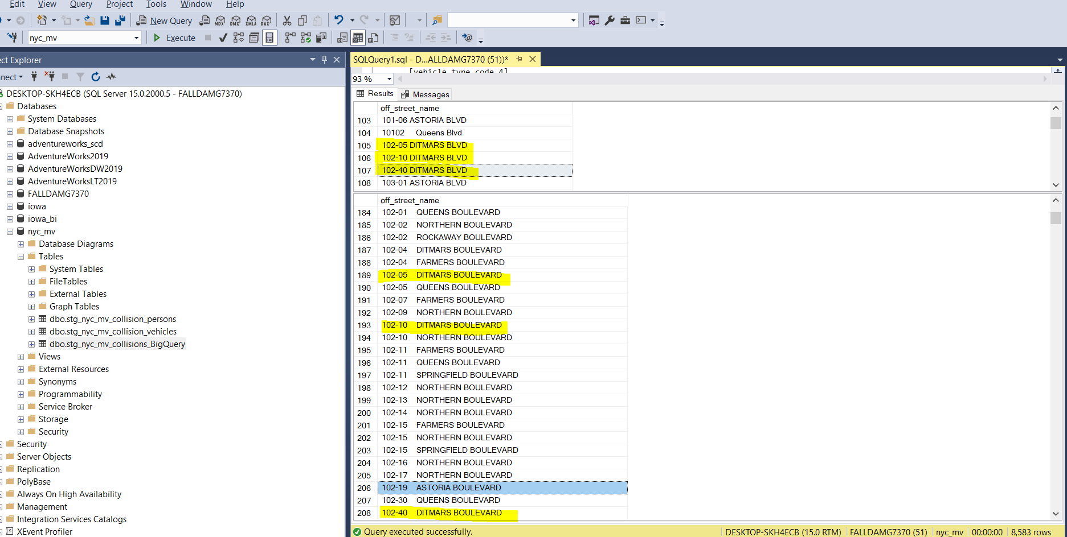
Replcaement Value
25-21 PARSONS BLVD P/LOT
F/O 2100 WILLIAMSBRIDGE RD
PARKING GMETROPOLITAN AVENUE
PKG. LOT. 40-24 COLLEGE PT.BLVD
(BROOKLYN TERMINAL MARKET LOT)
(BROOKLYN TERMINAL MARKET)
(LOT OF) 134 AVENUE AND 166 ST
(LOT OF) 150-32 N CONDUIT AVE
(LOT OF) 170 STREET AND 130 AVENUE
(LOT OF) MERRICK BL AND SPRINGFIELD BLD
(LOT OF) MERRICK BLVD AND 113 AVE
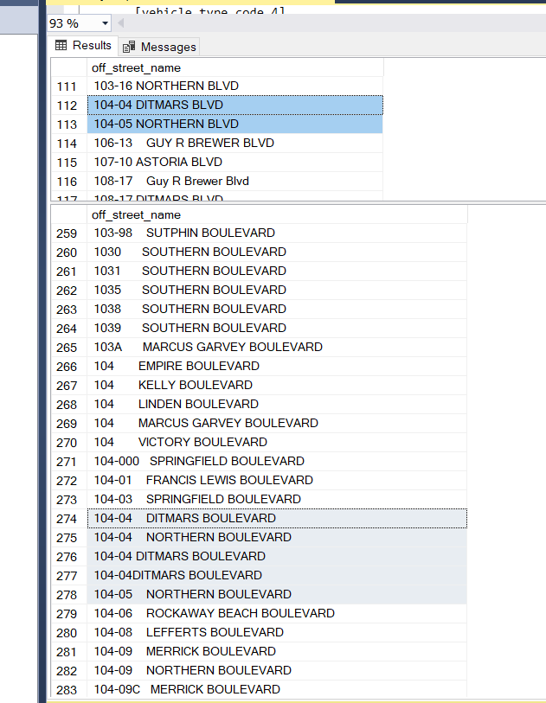
(LOT OF) SPRINGFIELD BLVD AND 135 AVE
56 (LOT) 113 AVENUE && SUTPHIN BLVD | space
57 (LOT) 113-21 MERRICK BOULEVARD
58 (LOT) 114 AVENUE && FARMERS BLVD
(LOT) 170 STREET && 130 AVE
(LOT) 170 STREET && 130 AVENUE
(LOT) SPRINGFIELD BLVD && 134 AVENUE
(LOT) SPRINGFIELD BOULEVARD AND 134 AVE
(LOT)134 && SPRINGFIELD BLVD PATHMARK
(LOT)134 && SPRINGFIELD BOULEVARD
(LOT)134 AVE && SPRINGFIELD BLVD
(LOT)134 AVE && SPRINGFIELD PATHMARK
(LOT)134 AVENUE && 166 PLACE
(LOT)134 AVENUE && SPRINGFIELD BLVD
(LOT)134-50 SPRINGFIELD BLVD
(LOT)134-50 SPRINGFIELD BOULEVARD
(LOT)137 AVE && 168 ST
(LOT)137 AVE && 168 STREET
(LOT)137 STREET & 135 AVENUE
(LOT)BAISLEY BLVD && 166 STREET
(LOT)BAISLEY BOULEVARD && 166 STREET
(LOT)FARMERS BLVD && LINDEN BLVD
(LOT)FARMERS BLVD && LINDEN BOULEVARD
(LOT)FLB && HOLLIS AVE
(LOT)FLB && HOLLIS AVENUE
(LOT)FLB && HOLLIS AVE
(LOT)FLB && HOLLIS AVENUE
(LOT)HOLLIS AND FLB
(LOT)HOLLIS AVE && FLB
(LOT)SPRINGFIELD BLVD && 133 AVE
(LOT)SPRINGFIELD BLVD && 134 AVE
(LOT)SPRINGFIELD BLVD && 134 AVENUE
(LOT)SPRINGFIELD BLVD && 135 AVE
(LOT)SPRINGFIELD BLVD && 135 AVENUE
(LOT)ROCKAWAY BLVD && N CONDUIT AVE
(LOT)ROCKAWAY BLVD NORTH CONDUIT AVE
(LOT) MERRICK BOULEVARD AND SPRINGFIELD
(LOT)SPRINGFIELD BLVD && MERRICK BLVD
(LOT)SUTPHIN BLVD && 114
(LOT)SUTPHIN BLVD && 114 AVE
(LOT)SUTPHIN BLVD && 114 RD
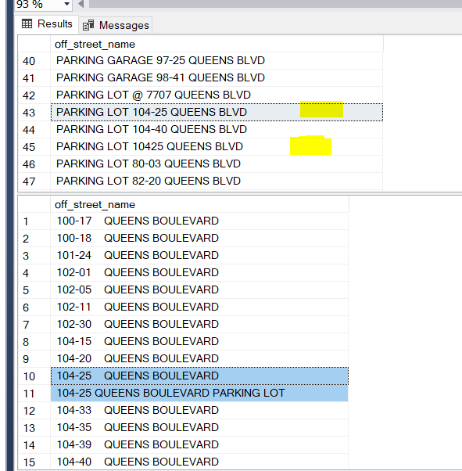
(LOT) SUTPHIN BOULEVARD && 114 RD
(PARKING LOT #3) 2800 VICTORY BOULEVARD
(PARKING LOT#3) 2800 VICTORY BOULEVARD
10 Malcolm X boulevard
10 Malcolm X Blvd
100 Malcolm X Blvd
10102 Queens Blvd
104-04 DITMARS BOULEVARD
104-04 NORTHERN BOULEVARD
104-04 DITMARS BOULEVARD
104-04DITMARS BOULEVARD
104-05 NORTHERN BOULEVARD
104-04 DITMARS BLVD
104-05 NORTHERN BLVD
108-48 Guy R Brewer Boulevard
108-48 GUY R BREWER BLVD
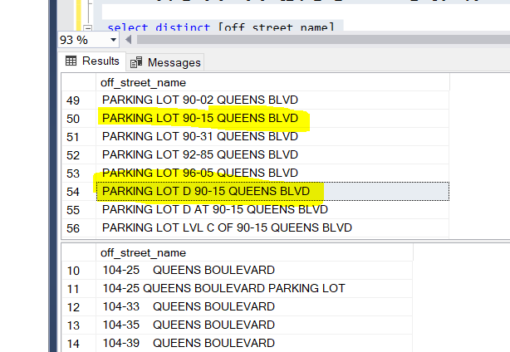
109-41 DITMARS BLVD
109-41 DITMARS BOULEVARD
109-72 FRANCIS LEWIS BOULEVARD
109-72 FRANCIS LEWIS BOULEVARD
110-32 DITMARS BOULEVARD | How to handle this?
110-32 DITMARS BLVD
119-01 LEFFERTS BLVD GAS STATION OF
111-19 LEFFERTS BOULEVARD
114-001 BREWER BOULEVARD
114-01 BREWER BOULEVARD
119-13 BREWER BOULEVARD | 119-13 Guy R Brewer Blvd - found from maps

104-25 QUEENS BOULEVARD
104-25 QUEENS BOULEVARD PARKING LOT
125-01 QUEENS BOULEVARD
125-01 QUEENS BOULEVARD PARKING LOT OF |  | HOOK CREEK | HOOKCREEK

REAR LOADIG DOCK 96-05 QUEENS BLVD
REAR LOADING DOCK 96-05 QUEENS BLVD
PARKING LOT OF 153-55 CROSS IS PWY
PARKING LOT OF 153-55 CROSS ISLAND PKWY

120-86 QUEENS BOULEVARD
1200 VICTORY BOULEVARD
1201 HYLAN BOULEVARD
121 BRUCKNER BOULEVARD
121-000 HOOK CREEK BOULEVARD
121-05 SUTPHIN BOULEVARD
121-07 SPRINGFIELD BOULEVARD
121-10 ROCKAWAY BOULEVARD
121-16 FARMERS BOULEVARD
121-39 BROOKVILLE BOULEVARD
1214 SOUTHERN BOULEVARD
1215 CAPODANNO BOULEVARD
122 MC GUINNESS BOULEVARD
122-05 MERRICK BOULEVARD
122-11 BREWER BOULEVARD

(PARKING LOT) 134-40 SPRINGFIELD BLVD
PARKING LOT OF 134-40 SPRINGFIELD BLVD
PARKING LOT 131-35 AVERY AVE
PARKING LOT OF 131-35 AVERY AVE
PARKING LOT OF 100 LUTEN AVE
PARKING LOT OF 100 LUTEN AVENUE
101-10 METROPOLITAN AVE PARKING LOT
101-10 METROPOLITAN AVENUE PARKING LOT
107-01 AVE D (PARKING LOT)
10701 AVENUE D (PARKING LOT)
PARKING LOT OF 110-00 ROCKAWAY BLVD
PARKING LOT OF 110-00 ROCKAWAY BOULEVARD
PARKING LOT OF 111 E. 210 ST
PARKING LOT OF 111 E. 210 STREET
1134 Parking lot
1200 WATERS PLACE - PARKING LOT
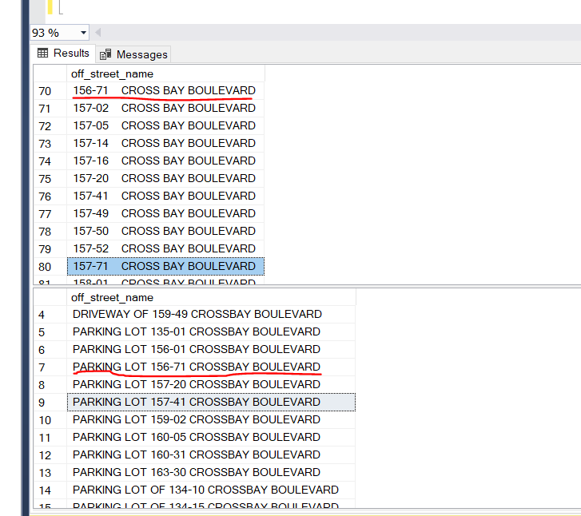
1200 WATERS PLACE PARKING LOT
123-12 101 AVE PARKING LOT OF
123-12 101 AVENUE PARKING LOT OF
125-01 QUEENS BLVD PARKING LOT
125-01 QUEENS BLVD PARKING LOT OF
125-01 QUEENS BOULEVARD PARKING LOT OF
1250 WATERS PLACE - PARKING LOT
1250 WATERS PLACE PARKING LOT
1250 WATERS PLACE/PARKING LOT
PARKING LOT OF 134-15 CROSS BAY BOULEVAR
PARKING LOT OF 134-15 CROSSBAY BOULEVARD
PARKING LOT OF 135-35 CROSSBAY BOULEVARD
PARKING LOT OF 135-45 CROSS BAY BOULEVAR
PARKING LOT OF 135-45 CROSSBAY BOULEVARD
PARKING LOT OF 137-05 20 AVE
PARKING LOT OF 137-05 20 AVENUE
137-05 20 AVENUE (PARKING LOT OF)
PARKING LOT OF 139-07 HILLSIDE AVE
PARKING LOT OF 139-07 HILLSIDE AVENUE
PARKING LOT OF 139-29 HILLSIDE AVE
PARKING LOT OF 139-29 HILLSIDE AVENUE
PARKING LOT OF 139-43 QUEENS BLVD
PARKING LOT OF 139-43 QUEENS BOULEVARD
PARKING LOT OF 140 58 ST
PARKING LOT OF 140 58 STREET
2800 VICTORY BOULEVARD
2800 VICTORY BOULEVARD
2800 VICTORY BOULEVARD PARKING LOT
2800 VICTORY BOULEVARD PARKING LOT
2800 VICTORY BOULEVARD (PARKING LOT #3)
2800 VICTORY BOULEVARD (PARKING LOT)
P/L OF VICTORY BLVD AND BRADLEY AVE
P/L OF VICTORY BLVD AND STEWART AVE
P/L RICHMOND AVE & VICTORY BLVD
P/L VICTORY BLVD & TRAVIS AVENUE
P/LOT OF 2800 VICTORY BLVD
PAKING LOT 2800 VICTORY BLVD
PARKING LOT 2800 VICTORY BLVD
PL OF 2800 VICTORY BLVD
PL 2070 VICTORY BLVD
PL 2800 VICTORY BLVD
PL 3135 VICTORY BLVD
PL 3579 VICTORY BLVD
PL OF 3521 VICTORY BLVD
PL OF RICHMOND AVE AND VICTORY BLVD
PL OF RICHMOND AVENUE AND VICTORY BLVD
PL OF VICTORY BLVD AND BRADLEY AVE
PL OF VICTORY BLVD AND BRADLEY AVENUE
PARKING LOT 104-25 QUEENS BLVD
PARKING LOT 10425 QUEENS BLVD
138-37 QUEENS BOULEVARD
PARKING LOT OF 138-37 QUEENS BLVD
1759 HYLAN BOULEVARD
P/L 1759 HYLAN BLVD
PARKING LOHYLAN BOULEVARD
P/L OF 2425 HYLAN BOULEVARD
P/L 2425 HYLAN BLVD
P/L OF 2626 HYLAN BOULEVARD
P/L 2626 HYLAN BLVD
BRUCKNER BLVD&HUTCH RVR PKWY
BRUCKNER BLVD&HUTCH. RVR. PKWAY
HUTCH.RVR.PKWY S & BRUCKNER BLVD
1505 BRUCKBRUCKNER BLVD
(LOT)SUTPHIN BOULEVARD && 114
119-14 SUTPHIN BOULEVARD
PARKING LOT 119-14 SUTPHIN BLVD
88-11 SUTPHIN BOULEVARD
PARKING LOT 88-11 SUTPHIN BLVD
(LOT)SPRINGFIELD BOULEVARD && 133 ROAD
(LOT)SPRINGFIELD BOULEVARD && 134 AVE
(LOT)SPRINGFIELD BOULEVARD && 135 AVE
(LOT) SPRINGFIELD BLVD && 134 AVENUE
(LOT OF) SPRINGFIELD BLVD AND 135 AVE
PARK LOT: 61-44 SPRINGFIELD BLVD
REAR 61-43 SPRINGFIELD BOULEVARD
REAR OF:61-43 SPRINGFIELD BOULEVARD
(LOT OF)N CONDUIT AVE AND ROCKAWAY BLVD
(LOT) ROCKAWAY BLVD && N CONDUIT AVE
(LOT)NORTH CONDUIT && ROCKAWAY BLVD
(LOT)ROCKAWAY BLVD && N CONDUIT
(LOT)ROCKAWAY BLVD && N CONDUIT AVE
(LOT)ROCKAWAY BLVD NORTH CONDUIT AVE
(LOT)ROCKAWAY BOULEVARD & N CONDIUT
156-08 ROCKAWAY BOULEVARD
P/L 156-08 ROCKAWAY BLVD
PKG LOT OF 254-02 ROCKAWAY BLVD
PKG LOT 168-35 ROCKAWAY BLVD
PARKING LOT: 110-00 ROCKAWAY BOULEVARD
PARKING LOT 110-00 ROCKAWAY BLVD
(LOT)FARMERS BLVD & LINDEN BLVD
(LOT)MERRICK BLVD && FARMERS BLVD
P/L 133-33 BROOKVILLE BLVD
P/L 138-20 BROOKVILLE BLVD
P/L 248-12 BROOKVILLE BLVD
248-12 BROOKVILLE BOULEVARD
1145 SOUTHERN BOULEVARD
PARKING LOT 1145 SOUTHERN BLVD
PARKING LOT 2900 SOUTHERN BLVD
PARKING LOT OF 2900 SOUTHERN BLVD
PARKING LOT OF 251 CAPODANNO BOULEVARD
P/L OF 251 CAPODANNO BLVD
625 CAPODANNO BOULEVARD
625 Father Capodanno Blvd
212 MCGUINNESS BLVD
212 MC GUINNESS BOULEVARD
(LOT)132-20 MERRICK BLVD
(LOT) 132-20 MERRICK BOULEVARD
(LOT)MERRICK BOULEVARD && FARMERS BOULEV
(LOT)BAISLEY BLVD && MERRICK BLVD
(LOT)MERRICK BLVD && BAISLEY BLVD
(LOT)MERRICK BLVD && FARMERS BLVD
(LOT)MERRICK BLVD && SPRINGFIELD BLVD
(LOT)SPRINGFIELD BLVD && MERRICK BLVD
PKG LOT 220-17 MERRICK BLVD
(LOT) BREWER BLVD && BAISLEY BLVD
(LOT)BAISLEY BLVD && BREWER BLVD
(LOT)BAISLEY BLVD BREWER BLVD
(LOT)BREWER BLVD && BAISLEY BLVD
(LOT)BREWER BLVD && BAISLY BLVD
PKG LOT 134-50 GUY R BREWER BLVD
134-50 GUY R BREWER
P/L OF 110 GUYON AVENUE
(LOT)137 AVE && 168 ST
(LOT)137 AVE && 168 STREET
(LOT)BAISLEY BOULEVARD AND 165 STREET
(LOT)BAISLEY BLVD AND 165 STREET
YORK AVENUEAST 62 ST
YORK AVENUEAST 62 STREET

contributing_factor_vehicle_1-5
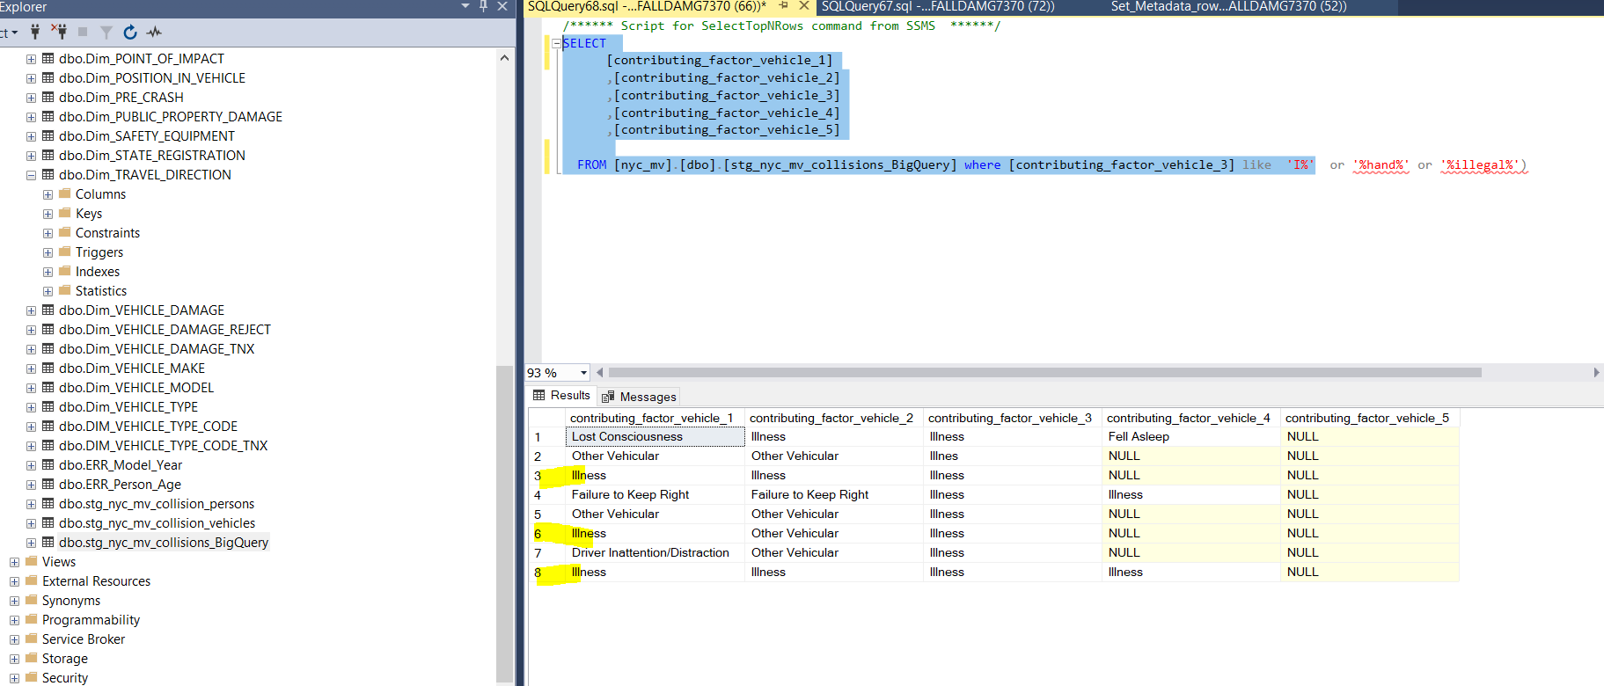
Replcaement Value
Illnes
Illness | -

